Blad1
 | Product code | Description | Quantity | Unit Price | Total price
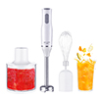 | AD 4620 | Hand blender - set | 196 | € 12.90 | € 2,528.40
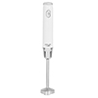 | AD 4617w | Hand blender | 22 | € 10.86 | € 238.92
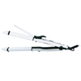 | AD 2104 | Hair straightener 2 in 1 - ceramic | 34 | € 6.77 | € 230.18
 | MS 1263 | Kettle glass 1,7 L | 114 | € 10.50 | € 1,197.00
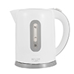 | AD 1234 | Kettle plastic 1,7 L | 54 | € 8.21 | € 443.34
 | AD 4205 b | Mixer | 20 | € 8.50 | € 170.00
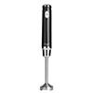 | AD 4617 | Hand blender | 201 | € 10.86 | € 2,182.86
 | AD 4459 | Egg boiler for 7 eggs | 21 | € 7.61 | € 159.81
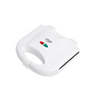 | AD 301 | Sandwich maker | 24 | € 7.17 | € 172.08
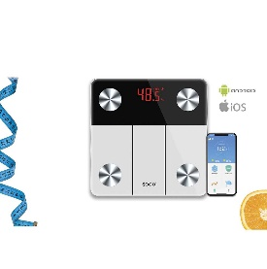 | BAB-SS-2900 | ELECTRONIC SMART BATHROOM SCALE WITH BLUETOOTH | 36 | € 11.95 | € 430.20
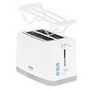 | CR 3219 | Toaster 2 slice | 24 | € 10.98 | € 263.52
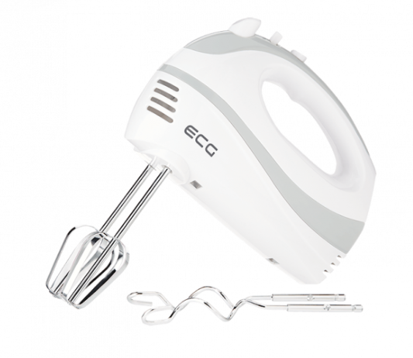 | ECG RS200 | Mixer | 37 | € 9.21 | € 340.77
 | Royal swiss | Blender | 5 | € 7.00 | € 35.00
 | MS 2249 | Hair dryer 2000 W | 9 | € 8.09 | € 72.81
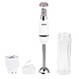 | MS 4624 | Hand Blender 2-in-1 | 11 | € 12.35 | € 135.85
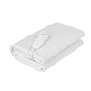 | MS 7419 | Electirc heating under-blanket (1) | 160 | € 11.72 | € 1,875.20
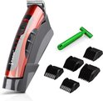 | RF609 | Hair trimmer | 330 | € 8.00 | € 2,640.00
 | AD 4076 | Blender - Glass jar 1,5L | 130 | € 21.10 | € 2,743.00
 |  | Draft stopper | 181 | € 3.00 | € 543.00
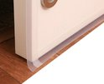 |  | Draft stopper | 60 | € 2.00 | € 120.00
 |  |  |  |  | € 16,521.94

